Main
JPMC Excel Skills Virtual Experience Hypothetical Account Dataset

 |  |  |  |  | Product Lines |  |  | Marketing / Promotion Programs |  |  |  | Product 1 Sales Volume (units)
Account Name | Account Address | Decision Maker | Phone Number | Account Type | Product 1 | Product 2 | Product 3 | Social Media | Coupons | Catalog Inclusion | Posters | 2017 | 2018 | 2019 | 2020 | 2021 | 5 YR CAGR
SB 1 | 2131 Patterson Road, Brooklyn NY 11201 | Dorothy Rizzo | (880) 283-6803 | Small Business | Yes | Yes | Yes | Yes | Yes | Yes | Yes | 1982 | 5388 | 7063 | 7208 | 9093 | 46%
SB 2 | 3685 Morningview Lane, New York NY 10013 | Lawson Moore | (711) 426-7350 | Small Business | Yes | Yes | Yes | No | Yes | Yes | Yes | 2786 | 3804 | 4121 | 6210 | 6909 | 25%
SB 3 | 2285 Ladybug Drive, New York NY 10013 | Vin Hudson | (952) 952-5573 | Small Business | Yes | Yes | Yes | Yes | Yes | Yes | Yes | 1209 | 1534 | 1634 | 4302 | 9768 | 69%
SB 4 | 2930 Southern Street, New York NY 10005 | Susana Huels | (491) 505-6064 | Small Business | Yes | Yes | Yes | Yes | Yes | Yes | Yes | 906 | 1251 | 2897 | 4499 | 9428 | 80%
SB 5 | 2807 Geraldine Lane, New York NY 10004 | Shanna Hettinger | (412) 570-0596 | Small Business | Yes | Yes | No | Yes | Yes | Yes | Yes | 1421 | 1893 | 2722 | 4410 | 5873 | 43%
SB 6 | 7778 Cherry Road, Bronx NY 10467 | Roy McGlynn | (594) 807-4187 | Small Business | Yes | Yes | Yes | No | Yes | Yes | No | 2341 | 6105 | 7777 | 7891 | 8758 | 39%
SB 7 | 48 Winchester Avenue, New York NY 10024 | Lorena Posacco | (678) 294-8103 | Small Business | Yes | No | No | No | No | Yes | No | 9252 | 8499 | 991 | 448 | 211 | -61%
SB 8 | 8735 Squaw Creek Drive, Brooklyn NY 11214 | Juanita Wisozk | (305) 531-1310 | Small Business | Yes | No | Yes | Yes | No | Yes | No | 1581 | 4799 | 6582 | 9024 | 9759 | 58%
SB 9 | 267 Third Road, New York NY 10034 | Velma Riley | (697) 543-0310 | Small Business | Yes | No | No | No | No | Yes | No | 9766 | 8049 | 5556 | 5202 | 2373 | -30%
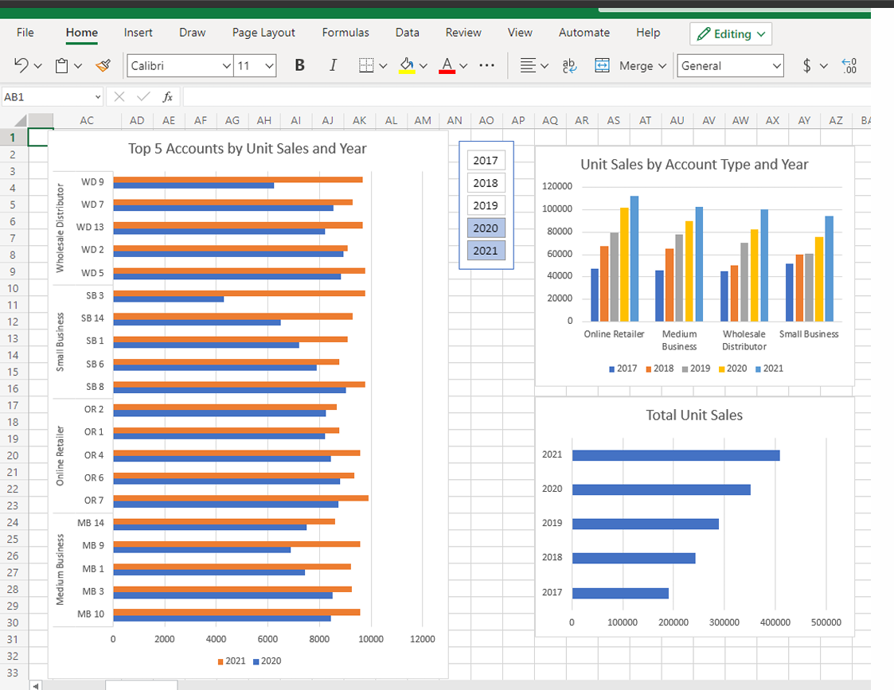
SB 10 | 102 Coffee Court, Bronx NY 10461 | Holly Gaines | (277) 456-4626 | Small Business | Yes | Yes | No | Yes | No | Yes | No | 1530 | 1620 | 2027 | 4881 | 6002 | 41%
SB 11 | 44 W. Pheasant Street, Brooklyn NY 11233 | Gary Brown | (459) 968-9453 | Small Business | Yes | No | No | No | No | No | No | 7555 | 6551 | 5188 | 3436 | 2359 | -25%
SB 12 | 7488 N. Marconi Ave, Brooklyn NY 11237 | Jeffrey Akins | (313) 417-8968 | Small Business | Yes | No | No | No | No | No | No | 1532 | 2678 | 4068 | 4278 | 5382 | 37%
SB 13 | 9575 Shipley Court, Brooklyn NY 11201 | Tim Young | (876) 653-1727 | Small Business | Yes | No | Yes | Yes | Yes | Yes | Yes | 24 | 1797 | 3548 | 3668 | 8592 | 335%
SB 14 | 8156 Lake View Street, New York, NY 10025 | Debra Kroll | (628) 832-4986 | Small Business | Yes | Yes | Yes | Yes | Yes | Yes | Yes | 861 | 1314 | 1810 | 6510 | 9271 | 81%
SB 15 | 44 Madison Dr, New York NY 10032 | Kelly Boyd | (220) 929-0797 | Small Business | Yes | Yes | No | No | No | No | No | 9058 | 4839 | 4776 | 4024 | 369 | -55%
MB 1 | 9848 Linden St, New York NY 10011 | Dan Hill | (248) 450-0797 | Medium Business | Yes | Yes | No | No | No | No | No | 3501 | 7079 | 7438 | 7443 | 9225 | 27%
MB 2 | 805 South Pilgrim Court, Brooklyn NY 11225 | Javier George | (964) 214-3742 | Medium Business | Yes | Yes | No | No | No | No | No | 3916 | 4218 | 5072 | 5201 | 7588 | 18%
MB 3 | 9132 Redwood Rd, Bronx NY 10466 | Christopher Evans | (831) 406-6300 | Medium Business | Yes | Yes | No | Yes | No | Yes | No | 700 | 5721 | 6247 | 8495 | 9236 | 91%
MB 4 | 3 Warren Drive, New York NY 10040 | Julie Ross | (778) 387-0744 | Medium Business | Yes | Yes | No | No | No | No | No | 9773 | 9179 | 8390 | 8256 | 3815 | -21%
MB 5 | 402 Bridgeton Lane, Bronx NY 10468 | Bill Callahan | (617) 419-7996 | Medium Business | Yes | Yes | No | Yes | No | Yes | No | 73 | 3485 | 4592 | 5143 | 8100 | 225%
MB 6 | 6 E. Nichols Ave, New York NY 10027 | Anthony Brooks | (349) 801-7566 | Medium Business | Yes | Yes | No | Yes | No | Yes | No | 238 | 1235 | 1822 | 7074 | 8207 | 142%
MB 7 | 323 North Edgewood St, Bronx NY 10457 | Charlotte Leroux | (784) 634-6873 | Medium Business | Yes | Yes | No | Yes | No | Yes | No | 1368 | 3447 | 4535 | 5476 | 9983 | 64%
MB 8 | 484 Thorne St, New York NY 10128 | Nina Coulter | (938) 752-9381 | Medium Business | Yes | No | No | No | Yes | No | No | 8331 | 7667 | 5952 | 1998 | 375 | -54%
MB 9 | 861 Gonzales Lane, Bronx NY 10472 | Mia Ang | (253) 861-1301 | Medium Business | Yes | Yes | No | Yes | Yes | Yes | No | 1779 | 2124 | 2844 | 6877 | 9570 | 52%
MB 10 | 267 Randall Mill Dr, New York NY 10033 | Kathy Rogers | (939) 738-6471 | Medium Business | Yes | Yes | No | Yes | Yes | Yes | No | 570 | 1322 | 7279 | 8443 | 9571 | 102%
MB 11 | 12 Lees Creek St, Brooklyn NY 11211 | Rita Varga | (754) 696-3109 | Medium Business | Yes | No | No | No | Yes | No | No | 6156 | 6110 | 5791 | 1759 | 969 | -37%
MB 12 | 240 W. Manhattan St, Bronx NY 10462 | Mel Berkowitz | (967) 547-1542 | Medium Business | Yes | Yes | No | Yes | Yes | Yes | No | 209 | 621 | 3098 | 7118 | 8433 | 152%
MB 13 | 62 Lower River Road, Staten Island, NY 10306 | Debra Martin | (743) 960-6716 | Medium Business | Yes | Yes | No | No | No | No | No | 6309 | 6227 | 5123 | 4968 | 3857 | -12%
MB 14 | 48 S. Brandywine St, New York NY 10002 | Deshaun Fletcher | (845) 304-6511 | Medium Business | Yes | Yes | No | Yes | No | Yes | No | 712 | 4182 | 6087 | 7494 | 8599 | 86%
MB 15 | 5 Tallwood St, Brooklyn NY 11233 | Kari Lenz | (886) 554-5339 | Medium Business | Yes | Yes | No | No | No | No | No | 2390 | 2415 | 3461 | 3850 | 4657 | 18%
OR 1 | 77 Stillwater St, Brooklyn NY 11213 | John Mackey | (831) 581-1892 | Online Retailer | Yes | Yes | Yes | No | No | Yes | No | 2519 | 3938 | 5190 | 8203 | 8780 | 37%
OR 2 | 7061 Bishop St, Yonkers NY 10701 | Raymond Heywin | (571) 843-1746 | Online Retailer | Yes | Yes | Yes | Yes | Yes | Yes | No | 138 | 286 | 6750 | 8254 | 8656 | 181%
OR 3 | 7223 Cedarwood Ave, Brooklyn NY 11221 | Janie Roberson | (924) 516-6566 | Online Retailer | Yes | Yes | Yes | No | No | Yes | Yes | 8873 | 8484 | 7883 | 7499 | 6592 | -7%
OR 4 | 62 Lafayette Ave, Bronx NY 10462 | Brooke Hayes | (247) 999-3394 | Online Retailer | Yes | Yes | Yes | No | No | Yes | Yes | 3297 | 4866 | 4928 | 8451 | 9585 | 31%
OR 5 | 7839 Elm St, Staten Island NY 10306 | Lee Niemeyer | (920) 451-3973 | Online Retailer | Yes | Yes | Yes | Yes | Yes | Yes | Yes | 1092 | 3140 | 4123 | 4366 | 9482 | 72%
OR 6 | 429 Stonybrook Dr, Brooklyn NY 11203 | Stephen Harris | (258) 948-7479 | Online Retailer | Yes | Yes | Yes | No | No | Yes | Yes | 2541 | 3794 | 3984 | 8803 | 9338 | 38%
OR 7 | 640 Beechwood Dr, Bronx NY 10461 | Juan Scott | (357) 532-0838 | Online Retailer | Yes | Yes | Yes | Yes | Yes | Yes | Yes | 742 | 3751 | 4423 | 8733 | 9909 | 91%
OR 8 | 9453 N. Wagon Lane, Brooklyn NY 11237 | Kurt Issacs | (454) 903-5770 | Online Retailer | Yes | No | No | No | No | Yes | Yes | 7703 | 6957 | 3898 | 1857 | 1512 | -33%
OR 9 | 81 San Carlos Road, Bronx NY 10463 | Dominique Johnson | (336) 448-7026 | Online Retailer | Yes | Yes | Yes | Yes | Yes | Yes | Yes | 488 | 5535 | 5775 | 7661 | 9206 | 108%
OR 10 | 596 Coffee St, Bronx NY 10472 | Larry Alaimo | (242) 869-1226 | Online Retailer | Yes | Yes | Yes | Yes | Yes | Yes | Yes | 376 | 889 | 4373 | 6803 | 7578 | 112% | Years
OR 11 | 92 Princess St, New York NY 10033 | Carlos Moya | (485) 453-8693 | Online Retailer | Yes | No | No | No | No | Yes | Yes | 7840 | 5804 | 4259 | 4243 | 907 | -42%
OR 12 | 9151 River St, Brooklyn NY 11230 | Shaun Salvatore | (691) 657-1498 | Online Retailer | Yes | Yes | Yes | Yes | Yes | Yes | Yes | 1038 | 3615 | 3712 | 5819 | 9589 | 74%
OR 13 | 424 Hall Ave, New York NY 10128 | Annie Fuentes | (462) 693-6254 | Online Retailer | Yes | Yes | No | No | No | No | No | 8891 | 5952 | 5914 | 5405 | 4031 | -18%
OR 14 | 81 Crescent St, Brooklyn NY 11210 | Maria Sawyer | (881) 243-5276 | Online Retailer | Yes | Yes | Yes | Yes | No | No | No | 1290 | 4033 | 6956 | 7929 | 8834 | 62%
OR 15 | 7217 Birch Hill Dr, New York NY 10009 | Darnell Straughter | (680) 628-4625 | Online Retailer | Yes | Yes | Yes | Yes | Yes | No | No | 431 | 6231 | 7478 | 8039 | 8271 | 109%
WD 1 | 7184 Center Court, Brooklyn NY 11208 | Richard Breaux | (685) 981-8556 | Wholesale Distributor | Yes | No | No | No | No | Yes | No | 8156 | 1245 | 791 | 338 | 44 | -73%
WD 2 | 815 2nd St, New York NY 10028 | Craig Collins | (828) 840-2736 | Wholesale Distributor | Yes | Yes | Yes | No | No | Yes | No | 299 | 657 | 6238 | 8922 | 9081 | 135%
WD 3 | 9875 Franklin Rd, Brooklyn NY 11223 | Donna Lam | (931) 618-9558 | Wholesale Distributor | Yes | Yes | Yes | No | No | Yes | No | 1323 | 4963 | 6292 | 6728 | 8202 | 58%
WD 4 | 601 Bank Ave, Brooklyn NY 11218 | Teresa Vasbinder | (261) 690-0303 | Wholesale Distributor | Yes | No | No | No | No | Yes | No | 8466 | 4079 | 2797 | 2245 | 1696 | -33%
WD 5 | 21 Yukon St, Bronx NY 10451 | Andre Mobley | (597) 701-9429 | Wholesale Distributor | Yes | Yes | Yes | No | No | Yes | No | 870 | 2428 | 7386 | 8835 | 9766 | 83%
WD 6 | 18 N. Woodland Ave, New York NY 10025 | Ray Hernandez | (609) 345-8163 | Wholesale Distributor | Yes | Yes | Yes | No | No | Yes | No | 1497 | 1768 | 2804 | 5718 | 9822 | 60%
WD 7 | 65 Lower River Ave, Bronx NY 10465 | Thomas Stewart | (381) 643-1230 | Wholesale Distributor | Yes | Yes | Yes | No | No | Yes | No | 1082 | 3353 | 6351 | 8550 | 9272 | 71%
WD 8 | 8680 Alderwood St, New York NY 10032 | Henry Lange | (293) 473-1512 | Wholesale Distributor | Yes | Yes | No | No | No | Yes | No | 9791 | 9610 | 7534 | 5080 | 4936 | -16%
WD 9 | 8388 Gonzales St, Brooklyn NY 11228 | Danielle Tomas | (459) 261-2301 | Wholesale Distributor | Yes | Yes | Yes | No | No | Yes | No | 1357 | 4189 | 5407 | 6233 | 9681 | 63%
WD 10 | 9760 Taylor Dr, Brooklyn NY 11211 | Joe Schimke | (936) 816-9148 | Wholesale Distributor | Yes | No | No | No | No | Yes | No | 576 | 2628 | 3612 | 5066 | 5156 | 73%
WD 11 | 419 E. Henry Ave, New York NY 10031 | Carlos Jackson | (201) 363-0653 | Wholesale Distributor | Yes | Yes | Yes | No | No | Yes | No | 128 | 416 | 747 | 1028 | 6357 | 165%
WD 12 | 8083 8th St, Brooklyn NY 11209 | Russell Wallace | (237) 890-0247 | Wholesale Distributor | Yes | No | No | No | No | No | No | 8034 | 6541 | 3311 | 3254 | 2687 | -24%
WD 13 | 2 Rock Maple Ave, New York NY 10029 | Shameka West | (488) 656-0761 | Wholesale Distributor | Yes | Yes | Yes | No | No | No | No | 1263 | 2517 | 8042 | 8222 | 9686 | 66%
WD 14 | 9577 Nicolls Ave, Staten Island NY 10312 | Kevin Fleming | (650) 848-8284 | Wholesale Distributor | Yes | Yes | Yes | No | No | No | No | 1032 | 3919 | 4466 | 5568 | 6476 | 58%
WD 15 | 174 Del Monte St, Brooklyn NY 11224 | Anna Grey | (980) 437-1451 | Wholesale Distributor | Yes | Yes | Yes | No | No | No | No | 1014 | 2254 | 4534 | 6796 | 7730 | 66%

DashBoard
Top 5 Accounts by Unit Sales and Year
 | 2017 | 2019 | 2021
MB 1 | 3501 | 7438 | 9225
MB 10 | 570 | 7279 | 9571
MB 2 | 3916 | 5072 | 7588
MB 3 | 700 | 6247 | 9236
MB 4 | 9773 | 8390 | 3815
OR 1 | 2519 | 5190 | 8780
OR 13 | 8891 | 5914 | 4031
OR 14 | 1290 | 6956 | 8834
OR 3 | 8873 | 7883 | 6592
OR 4 | 3297 | 4928 | 9585
SB 1 | 1982 | 7063 | 9093
SB 11 | 7555 | 5188 | 2359
SB 6 | 2341 | 7777 | 8758
SB 8 | 1581 | 6582 | 9759
SB 9 | 9766 | 5556 | 2373
WD 13 | 1263 | 8042 | 9686
WD 5 | 870 | 7386 | 9766
WD 7 | 1082 | 6351 | 9272
WD 8 | 9791 | 7534 | 4936
WD 9 | 1357 | 5407 | 9681
Unit Sales By Account Type and Year
 | FY'17 | FY'18 | FY'19 | FY'20 | FY'21
Medium Business | 46025 | 65032 | 77731 | 89595 | 102185
Online Retailer | 47259 | 67275 | 79646 | 102065 | 112270
Small Business | 51804 | 60121 | 60760 | 75991 | 94147
Wholesale Distributor | 44888 | 50567 | 70312 | 82583 | 100592
Sales Comparison by Account Type
 | Total
Medium Business | 102185
Online Retailer | 112270
Small Business | 94147
Wholesale Distributor | 100592

Total Unit Sales
 | Total
FY'17 | 189976
FY'18 | 242995
FY'19 | 288449
FY'20 | 350234
FY'21 | 409194

